Indices

 | Iraq Stock Exchange
 | Bulletin No (198)

 | ISX Trading Indices of Tuesday 4/11/2025

 | Traded Volume and OTC |  | 722,973,904 |  | Traded Value and OTC |  | 1,736,134,174 |  | Traders | 1138

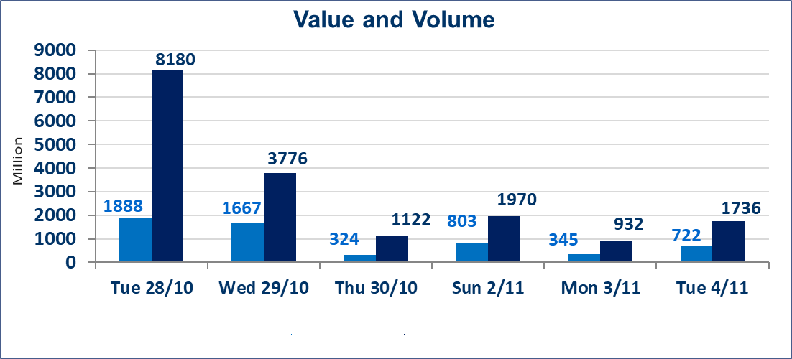
 | ISX Index 60 |  |  | 954.77 | ISX Index 15 |  |  | 1171.86
 | Previous ISX Index60 |  |  | 957.60 | Previous ISX Index15 |  |  | 1170.74
 | Change % |  |  | -0.30 | Change % |  |  | 0.10
 | Change |  |  | -2.83 | Change |  |  | 1.12

 | Listed Companies | 104 | OTC | 11 | Non Traded listed | 44 | OTC | 9
 | Traded Listed Companies | 47 | OTC | 1 | Higher Companies |  |  | 21
 | GAM Companies |  |  | 3 | Lower Companies |  |  | 11
 | Suspended Companies |  |  | 10
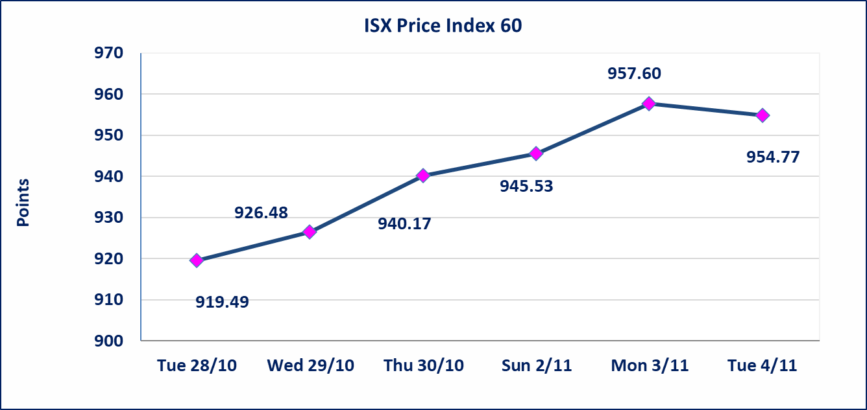
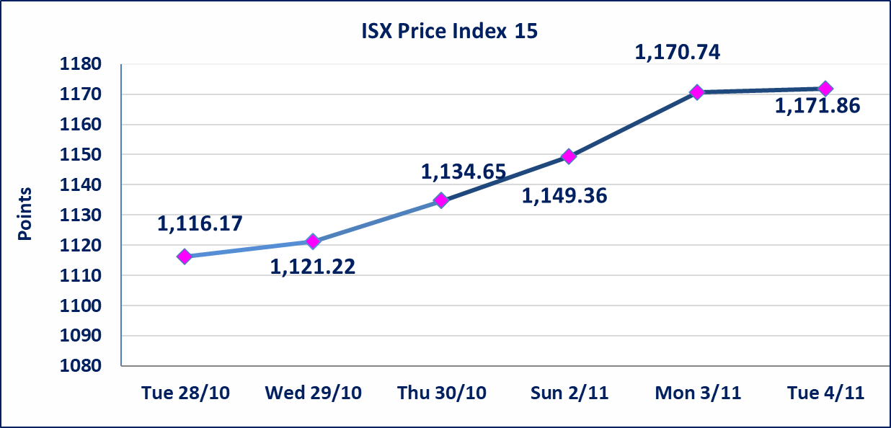

Al-Alwiya P.O . 3607 Mobile: 07711211522 - 07270094594 - 07834000034 E-mail: info-isx@isx-iq.net Web site:www.isx-iq.net

Top 5
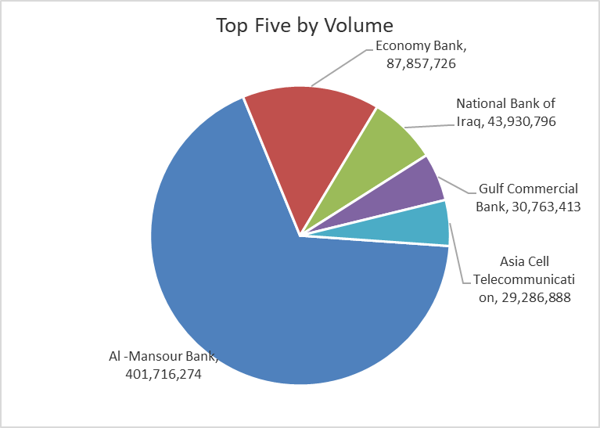
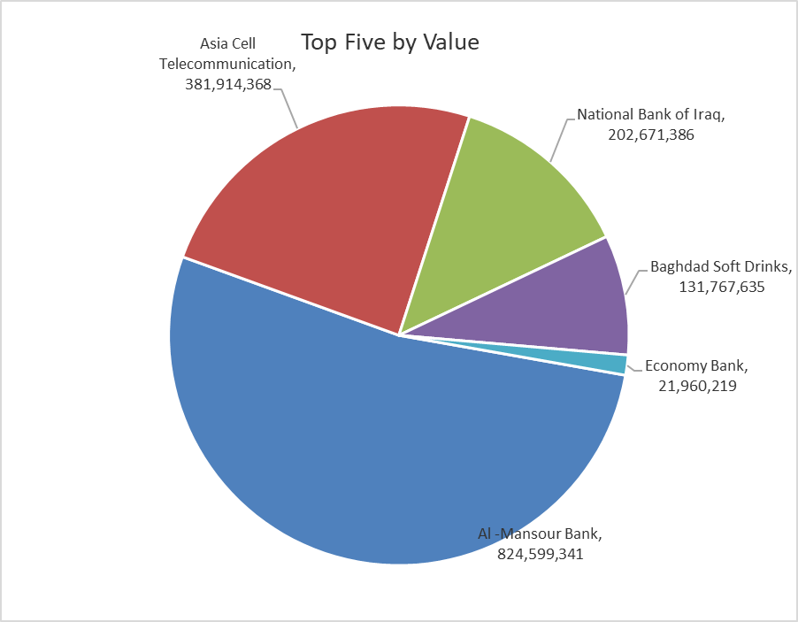
ISX top ganing and losing companies
Tuesday 4/11/2025
Gainers |  |  |  | Losers
Company Name | Closing Price | Change (%) | Traded Volume | Company Name | Closing Price | Change (%) | Traded Volume
Al -Khazer Construction Materials | 1.150 | 15.00 | 8,081,000 | Babil Animal & Vegetable Production | 3.620 | -14.82 | 35,000
Al-Ameen for Insurance | 1.000 | 13.64 | 200,000 | Ready Made Clothes | 2.110 | -6.22 | 150,000
Iraqi Carton Manufactories | 1.500 | 11.11 | 1,757,850 | International Islamic Bank | 0.200 | -4.76 | 5,000
Modern Sewing | 6.300 | 5.00 | 1,227,517 | Al-Hilal Industries | 1.850 | -4.15 | 38,309
National Chemical &Plastic | 1.900 | 4.97 | 2,021,247 | Iraqi Date Processing and Marketing | 2.600 | -3.70 | 1,081,157

The most active companies in term of traded volume and value

Traded Volume |  |  |  | Traded Value
Company Name | Closing Price | Change (%) | Traded Volume | Company Name | Closing Price | Change (%) | Traded Value
Al -Mansour Bank | 2.060 | 0.98 | 401,716,274 | Al -Mansour Bank | 2.060 | 0.98 | 824,599,341
Economy Bank | 0.250 | 4.17 | 87,857,726 | Asia Cell Telecommunication | 12.850 | -0.39 | 381,914,368
National Bank of Iraq | 4.590 | 3.15 | 43,930,796 | National Bank of Iraq | 4.590 | 3.15 | 202,671,386
Gulf Commercial Bank | 0.270 | 0.00 | 30,763,413 | Baghdad Soft Drinks | 5.220 | -2.43 | 131,767,635
Asia Cell Telecommunication | 12.850 | -0.39 | 29,286,888 | Economy Bank | 0.250 | 4.17 | 21,960,219

Non Iraqis

Iraq Stock Exchange
Non Iraqis' Bulletin Tuesday Nov 4 2025
Regular Market

Non Iraqi Trading of Regular Market (Sell)
Company Names | Code | No.of trades | Traded Shares | Trading Volume
Banks Sector
National Bank Of Iraq | BNOI | 1 | 2,510 | 11,270
Al-Mansour Bank | BMNS | 38 | 300,000,000 | 615,106,119
Total Bank sector |  | 39 | 300002510 | 615117389
Industry Sector
Metallic Industries and Bicycles Industries | IMIB | 1 | 100,000 | 205,000
Al -Khazer Construction Materials | IKHC | 1 | 200,000 | 200,000
Iraqi Carton Manufacturies | IICM | 1 | 200,000 | 310,000
Total Industry sector |  | 3 | 500,000 | 715,000
Grand Total |  | 42 | 300502510 | 615832389

Non Iraqi Trading of Undisclosed Platform (Sell)
Company Names | Code | No.of trades | Traded Shares | Trading Volume
Industry Sector
Al -HiLal Industries | IHLI | 1 | 1,000 | 1,930
Total Industry sector |  | 1 | 1,000 | 1,930
Grand Total |  | 1 | 1000 | 1930

